PopulationReport
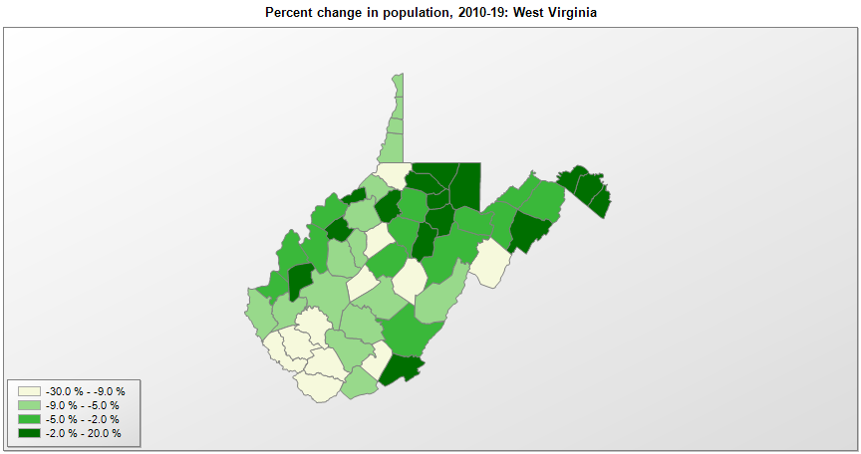

FIPS* | County name | RUC code | Pop. 1990 | Pop. 2000 | Pop. 2010 | Pop. 2019 | Change 2010-19
54000 | West Virginia |  | 1,793,477 | 1,808,193 | 1,853,018 | 1,792,147 | -3.3%
54001 | Barbour County | 6 | 15,699 | 15,555 | 16,587 | 16,441 | -0.9%
54003 | Berkeley County | 2 | 59,253 | 75,899 | 104,188 | 119,171 | 14.4%
54005 | Boone County | 3 | 25,870 | 25,548 | 24,625 | 21,457 | -12.9%
54007 | Braxton County | 8 | 12,998 | 14,697 | 14,519 | 13,957 | -3.9%
54009 | Brooke County | 3 | 26,992 | 25,427 | 24,051 | 21,939 | -8.8%
54011 | Cabell County | 2 | 96,827 | 96,783 | 96,295 | 91,945 | -4.5%
54013 | Calhoun County | 8 | 7,885 | 7,587 | 7,627 | 7,109 | -6.8%
54015 | Clay County | 3 | 9,983 | 10,336 | 9,384 | 8,508 | -9.3%
54017 | Doddridge County | 9 | 6,994 | 7,366 | 8,201 | 8,448 | 3.0%
54019 | Fayette County | 3 | 47,952 | 47,591 | 46,049 | 42,406 | -7.9%
54021 | Gilmer County | 7 | 7,669 | 7,155 | 8,695 | 7,823 | -10.0%
54023 | Grant County | 7 | 10,428 | 11,292 | 11,920 | 11,568 | -3.0%
54025 | Greenbrier County | 6 | 34,693 | 34,448 | 35,483 | 34,662 | -2.3%
54027 | Hampshire County | 3 | 16,498 | 20,171 | 23,960 | 23,175 | -3.3%
54029 | Hancock County | 3 | 35,233 | 32,682 | 30,688 | 28,810 | -6.1%
54031 | Hardy County | 6 | 10,977 | 12,647 | 14,027 | 13,776 | -1.8%
54033 | Harrison County | 5 | 69,371 | 68,635 | 69,094 | 67,256 | -2.7%
54035 | Jackson County | 6 | 25,938 | 28,002 | 29,214 | 28,576 | -2.2%
54037 | Jefferson County | 1 | 35,926 | 42,246 | 53,490 | 57,146 | 6.8%
54039 | Kanawha County | 3 | 207,619 | 200,111 | 193,053 | 178,124 | -7.7%
54041 | Lewis County | 7 | 17,223 | 16,914 | 16,372 | 15,907 | -2.8%
54043 | Lincoln County | 2 | 21,382 | 22,107 | 21,709 | 20,409 | -6.0%
54045 | Logan County | 6 | 43,032 | 37,705 | 36,754 | 32,019 | -12.9%
54047 | McDowell County | 7 | 35,233 | 27,331 | 22,109 | 17,624 | -20.3%
54049 | Marion County | 4 | 57,249 | 56,603 | 56,433 | 56,072 | -0.6%
54051 | Marshall County | 3 | 37,356 | 35,529 | 33,131 | 30,531 | -7.8%
54053 | Mason County | 6 | 25,178 | 25,952 | 27,348 | 26,516 | -3.0%
54055 | Mercer County | 4 | 64,980 | 62,978 | 62,265 | 58,758 | -5.6%
54057 | Mineral County | 3 | 26,697 | 27,086 | 28,225 | 26,868 | -4.8%
54059 | Mingo County | 7 | 33,739 | 28,247 | 26,834 | 23,424 | -12.7%
54061 | Monongalia County | 3 | 75,509 | 81,886 | 96,184 | 105,612 | 9.8%
54063 | Monroe County | 8 | 12,406 | 13,184 | 13,498 | 13,275 | -1.7%
54065 | Morgan County | 8 | 12,128 | 14,929 | 17,541 | 17,884 | 2.0%
54067 | Nicholas County | 6 | 26,775 | 26,561 | 26,233 | 24,496 | -6.6%
54069 | Ohio County | 3 | 50,871 | 47,432 | 44,426 | 41,411 | -6.8%
54071 | Pendleton County | 8 | 8,054 | 8,186 | 7,695 | 6,969 | -9.4%
54073 | Pleasants County | 6 | 7,546 | 7,513 | 7,602 | 7,460 | -1.9%
54075 | Pocahontas County | 9 | 9,008 | 9,114 | 8,722 | 8,247 | -5.4%
54077 | Preston County | 3 | 29,037 | 29,315 | 33,518 | 33,432 | -0.3%
54079 | Putnam County | 2 | 42,835 | 51,563 | 55,489 | 56,450 | 1.7%
54081 | Raleigh County | 3 | 76,819 | 79,237 | 78,865 | 73,361 | -7.0%
54083 | Randolph County | 7 | 27,803 | 28,274 | 29,405 | 28,695 | -2.4%
54085 | Ritchie County | 8 | 10,233 | 10,351 | 10,449 | 9,554 | -8.6%
54087 | Roane County | 6 | 15,120 | 15,447 | 14,927 | 13,688 | -8.3%
54089 | Summers County | 6 | 14,204 | 14,381 | 13,926 | 12,573 | -9.7%
54091 | Taylor County | 6 | 15,144 | 16,060 | 16,891 | 16,695 | -1.2%
54093 | Tucker County | 8 | 7,728 | 7,307 | 7,141 | 6,839 | -4.2%
54095 | Tyler County | 9 | 9,796 | 9,583 | 9,230 | 8,591 | -6.9%
54097 | Upshur County | 7 | 22,867 | 23,394 | 24,256 | 24,176 | -0.3%
54099 | Wayne County | 2 | 41,636 | 42,919 | 42,506 | 39,402 | -7.3%
54101 | Webster County | 9 | 10,729 | 9,716 | 9,150 | 8,114 | -11.3%
54103 | Wetzel County | 6 | 19,258 | 17,690 | 16,563 | 15,065 | -9.0%
54105 | Wirt County | 3 | 5,192 | 5,865 | 5,714 | 5,821 | 1.9%
54107 | Wood County | 3 | 86,915 | 87,954 | 86,953 | 83,518 | -4.0%
54109 | Wyoming County | 6 | 28,990 | 25,702 | 23,804 | 20,394 | -14.3%

Source: U.S. Census Bureau, 1990, 2000, and 2010 Censuses of Population (corrected), and 2019 County Total Population Estimates. 1) The FIPS codes uniquely identify each county and are part of the Federal Information Processing Standards (FIPS) developed by the National Institute of Standards and Technology (NIST), U.S. Department of Commerce. For more information, see the NIST FIPS publication page. 2) The 2013 rural-urban continuum codes classify metropolitan counties (codes 1 through 3) by size of the Metropolitan Statistical Area (MSA), and nonmetropolitan counties (codes 4 through 9) by degree of urbanization and proximity to metro areas. See rural-urban continuum codes for precise definitions of each code.

